BILL
 | HERITAGE CLUB
 | BANK INFORMATION A/C TITLE : PARKLANE HOTELS & RESORTS PVT LTD HERITAGE CLUB BANK : UBL A/C NO : 0339-310426415
EVENTS | HCFM-0503 |  |  | MR.GHULAM NABI OTHI
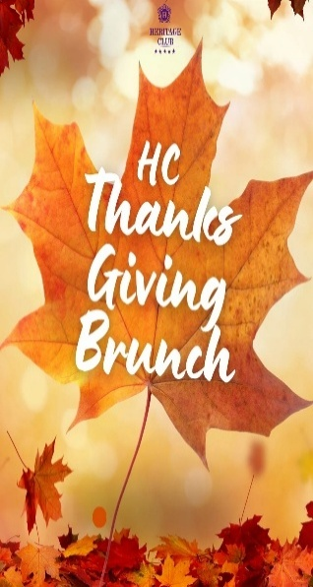 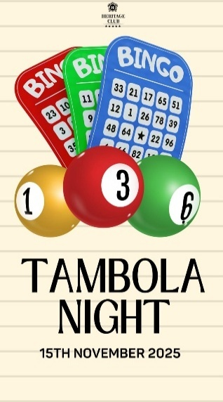 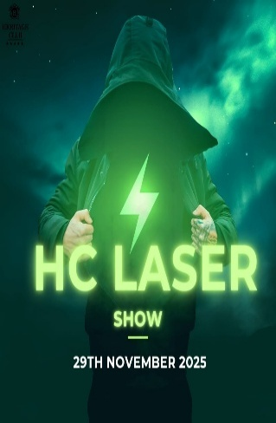 | SUMMARY
 | PAYABLE AMOUNT FOR THE MONTH OF OCTOBER |  |  | 72,464.70
 | LATE PAYMENT SURCHARGE |  |  | 7,246.47
 | TOTAL AMOUNT AFTER DUE DATE |  |  | 79,711.17
 | AREARS |  |  | -
 | ADVANCED PAID |  |  | -
 | REMAINING MANDATORY DINE IN CHARGE |  |  | -
 | TOTAL DUE |  |  | 72,464.70
 | DUE DATE |  |  | 15th NOVEMBER 2025
 | FIXED CHARGES
 | MONTHLY SUBSCRIPTION |  |  | 7,000
 | SPORTS SUBSCRIPTION |  |  | -
 | OTHERS (POOL LOCKER) |  |  | -
 | SUB TOTAL |  |  | 7,000
 | USAGE CHARGES
 | FOOD & BEVERAGES |  |  | 52,578
 | SPA |  |  | -
 | GYM |  |  | -
 | BOWLING ALLEY |  |  | -
 | CHILDERN PLAY AREA |  |  | -
 | FAMILY POOL |  |  | -
 | LADIES POOL |  |  | -
 | SQUASH COURT |  |  | -
 | CINEMA |  |  | -
 | VANUE CHARGES |  |  | 5,000
 | PADEL COURT |  |  | -
 | LADIES SALON |  |  | -
 | HC CHAMBER |  |  | -
 | PARTY CHARGES |  |  | -
 | SUB TOTAL |  |  | 57,578
 | SERVICES TAX (SST) |  |  | 7,887
 | TOTAL USAGE CHARGES INCLUDING SST |  |  | 65,465
 | BREAK DOWN OF MANDATORY CHARGES
 | MINIMUM CHARGE FOR THE CURRENT HALF YEAR (FYI) |  |  | 60,000
 | USAGE CHARGE FOR THE CURRENT HALF YEAR (FYI) |  |  | 168,251
 | REMAINING CHARGE FOR THE CURRENT HALF YEAR (FYI) |  |  | -
 | AMOUNT BEFORE DUE DATE |  |  | 72,464.70
 | AMOUNT AFTER DUE DATE |  |  | 79,711.17
 | BILL MONTH: OCTOBER 2025

Detail of food & BEVERAGES
For the month of OCTOBER 2025
TOTAL AMOUNT Rs. |  |  |  | 52,578
MEMBERSHIP ID | DATE | QTY. | FOOD ORDER | AMOUNT
HCFM-0503 | 1-Dec-25 | 1 | SPECIAL CHICKEN POPCORN | 500
 | 1-Dec-25 | 1 | CREAM OF MASHROOM SOUP | 400
 | 1-Dec-25 | 1 | RAITA | 200
 | 1-Dec-25 | 1 | MINERAL WATER LARGE | 150
 | 6-Dec-25 | 1 | MINERAL WATER LARGE | 150
 | 6-Dec-25 | 1 | BEEF BOTI | 1,200
 | 6-Dec-25 | 1 | PLAIN NAAN | 70
 | 6-Dec-25 | 7 | VODKA SINGLE | 3,850
 | 6-Dec-25 | 3 | MURREE BEER | 3,000
 | 8-Dec-25 | 1 | MINERAL WATER LARGE | 150
 | 8-Dec-25 | 2 | MINERAL WATER SMALL | 200
 | 8-Dec-25 | 2 | PEANUT AND NIMCO | 600
 | 11-Dec-25 | 1 | FISH N CHIPS | 1,200
 | 11-Dec-25 | 2 | MINERAL WATER LARGE | 300
 | 11-Dec-25 | 2 | RESHMI SEEKH KABAB | 1,998
 | 11-Dec-25 | 1 | MALAI BOTI | 1,150
 | 11-Dec-25 | 1 | CHICKEN HANDI | 1,000
 | 11-Dec-25 | 2 | SHISH TAOUK | 2,400
 | 11-Dec-25 | 4 | GARLIC NAAN | 520
 | 11-Dec-25 | 1 | RAITA | 200
 | 11-Dec-25 | 2 | PLAIN NAAN | 140
 | 11-Dec-25 | 3 | MIX NIMCO | 900
 | 12-Dec-25 | 1 | PEANUT AND NIMCO | 300
 | 12-Dec-25 | 16 | VODKA SINGLE | 8,800
 | 13-Dec-25 | 8 | BLACK LABEL SINGLE | 8,000
 | 13-Dec-25 | 2 | CHIVAS SINGLE | 2,000
 | 13-Dec-25 | 1 | MINERAL WATER LARGE | 150
 | 13-Dec-25 | 1 | MINERAL WATER SMALL | 100
 | 13-Dec-25 | 2 | MINERAL WATER LARGE | 300
 | 13-Dec-25 | 1 | MALAI BOTI | 1,150
 | 13-Dec-25 | 1 | PEANUT AND NIMCO | 300
 | 13-Dec-25 | 1 | SHISH TAOUK | 1,200
 | 13-Dec-25 | 1 | CORKAGE | 1,000
 | 25-Dec-25 | 4 | MURREE BEER | 4,000
 | 25-Dec-25 | 5 | BLACK LABEL SINGLE WL | 5,000

